Sheet1
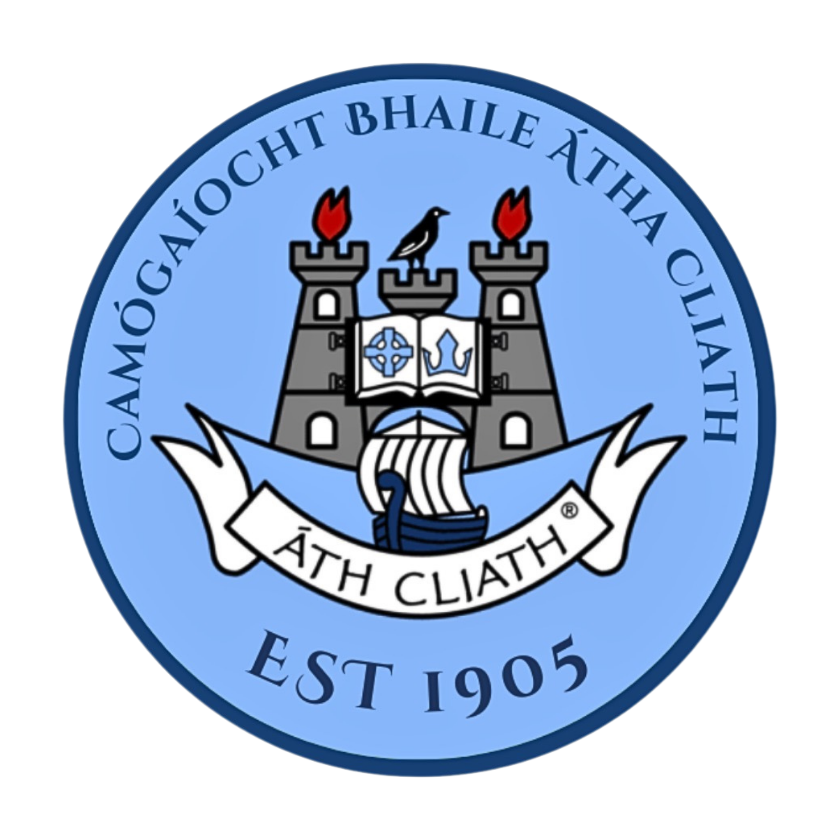
Dublin Camogie Adult / Juvenile Referee contacts 2026

Ref Co-ordinator: | Derek Brannigan | 085 839 7887
100
Referee | Club | Mobile
Adam Kelly | Lucan Sarsfields | 085 722 1919
Adam Heron | O’Dwyers | 083 835 3707
Alan Maxwell | Good Counsel Liffey Gaels | 086 8133266
Anne Darbey | Round Towers Clondalkin | 086 260 8280
Anthony Brennen | Trinity Gaels | 086 8150 788
Antoin Keating | Setanta | 086 232 3333
Brendan Cooper | Na Fianna | 086 318 0092
Brian Moore | Craobh Chiaráin | 087 210 3972
Briain Merriman | Ranelagh Gaels | 083 0918012
Carol Ann Canning | St. Vincents | 087 612 9643
Cathal Healy | Naomh Mearnóg | 083 4713191
Carolanne Canning | ST Vincent's | 0876129643
Ciaran Russell | Naomh Jude | 087 619 1011
Clíodhna Ní Bhuachalla | Lucan Sarsfields | 089 258 0521
Conor Garvey | Meath | 087 965 8014
Conor Mc Kenna | Kevins | 0868543744
Conor Seery | Skerries Harps | 085 156 0186
Conor Dodd | Clanna Gael | 087 617 5444
Craig Curtis | Round Towers Clondalkin | 087 267 8398
Damien Burnett | Craobh Chiaráin | 085 226 7928
Damien Ford | Nh Mearnóg | 087 683 7602
Dan | St. Vincents | 087 640 5960
Darren Higgins | Round Towers | 087 753 4387
Dave Foley | St. Peregrine's | 087 665 9217
Dave Sweeney | St Oliver Plunkett Eoghan Ruadh | 087 907 7229
David Fitzerald | Crumlin | 087 965 8014
David Murphy | Robert Emmetts | 086 307 0113
Derek Brannigan | Good Counsel Liffey Gaels | 085 839 7887
Donal Ryan | Nh Padraig | 087 972 0687
Donncha Hassey | Tipperary Club Living in Lucan | 083 8459754
Eoin Reynolds | Faughs Celtic | 087 299 6390
Eabha Ryan | Bayllyboden St. Enda's | 087 7098046
Éilis Ní Chearnaigh | Setanta | 086 844 8230
Ella Nic an tSionnaigh | Setanta | 083 802 2985
Eoghan O Dalaigh | St. Vincents | 083 437 6270
Eoin Reynolds | Faughs Celtic | 087 2996390
Ernie Brenner | St Sylvesters | 087 232 7074
Eugene Murphy senior | St James Gaels An Caisleán | 087 2984 090
Eugene Murphy Jnr | Robert Emmets | 085 787 6223
Fergal McDonagh | Round Towers Clondalkin | 086 807 5217
Fergus Mc Greevy | St Oliver Plunkett Eoghan Ruadh | 087 246 7716
Fiachra McLoughlin | Kilmacud Crokes | 087 792 2399
Finbar Gaffney | Na Fianna | 087 242 7690
Gerard Cooper | Lucan Sarsfields | 083 014 7491
Gavin Donegan | Trinity Gaels | 086 813 4452
Gerard Delaney | Bayllyboden St. Enda's | 085 174 4286
Gerry Maher | Naomh Olaf | 087 207 6631
Gerry McGough | Kilmacud Crokes | 087 798 5249
Greg O'Donnell | Na Fianna | 086 857 0677
Jason Buckley | Setanta | 086 733 3465
Jane Sone Lenou | Naomh Olaf | 089 943 2940
Jenny Casserly | Lucan Sarsfields | 086 025 1365
Jessica Maxwell | Kilmacud Crokes | 086 0746800
John Cosgrove | Lucan Sarsfields | 0868296137
John Doherty | Robert Emmets | 087 692 7878
Jonny Jackson | Thomas Davis | 087 746 9173
Karl O'Brien | Good Counsel Liffey Gaels | 085 140 2615
Keith Cahill | St. Finians | 087 230 0972
Keiron Young | St. Judes | 086 861 5195
Kevin O’Donnell | Na Fianna | 087 160 5270
Leah McEneaney | St Peregrines | 0830777173
Liam O’Brien | Setanta | 086 303 2752
Mark Goss Keogh | Whitehall Colmcille | 089 254 0912
Maurice leahy | Avondale Gaa club | 0833821852
Megan | Naomh Mearnogs | 085 201 8520
Michelle Keating | St. Anne's | 085 704 4483
Michael O'Flaherty | Kevin's Hurling & Camogie Club | 0861943910
Molly Gannon | St. Vincents | 083 812 5879
Nadine Murphy | St. Vincents | 087 698 6631
Niall O’Hara | Erin Go Bragh | 0876979013
Olivia O’Brien | Ballyboden St Enda’s | 0879640449
Paddy Kiernan | Naomh Olaf | 087 906 6260
Padraig Furlong | St Sylvesters | 086 810 3177
Pat Joyce | St. Judes | 087 679 9515
Pat Murphy | St. Marks | 086 855 2037
Paul Fahey | Lucan Sarsfields | 087 649 3308
Paul Flanagan | St. James Gaels | 087 241 2886
Philip Bourke | St Oliver Plunketts | 086 073 7069
Philip Carr | Round Tower Clondalkin | 087 621 0484
Philip Cullen | Craobh Chiaráin | 086 105 1045
Richard McGrath | Ballinteer St John’s | 0868030485
Rob Moore | St. Judes | 085 174 4293
Ronan Carrol | Na Fianna | 089 707 8888
Ronan Ferron | Southside | 087 657 1550
Ronan Smith | Lucan Sarsfields | 089 488 5509
Ryan Murphy | St. Vincents | 083 808 0096
Sarah Frisby | St Jude’s | 0830993677
Sarah Preston | St. Vincents | 087 628 7887
Sean Walsh | Naomh Barrog | 087 7819079
Shay Hurson | Lucan Sarsfields | 087 259 0928
Simon Murphy | St. James Gaels | 085 220 9992
Simon Redmond | Trinity Gaels | 087 091 8419
Suzanne Ford | St. Marks | 087 779 1134
Tara McCluskey | Bayllyboden St. Enda's | 083 459 5184
Timmy McCarthy | St Vincent's | 086 828 2125
Timmy Doyle | Round Towers Lusk | 087 611 4314
Tom Casserly | Lucan Sarsfields | 087 246 1920
Tom Tansey | St. Brendan's | 087 630 5482
Una Nearney | St. Judes | 085 111 1123
Willie O’ Connor | Round Towers Clondalkin | 087 2911 955

